Table 1
For Official use Technical Report Ministry of Water Resources Central Ground Water Board South Eastern Region, Bhubaneswar March, 2013

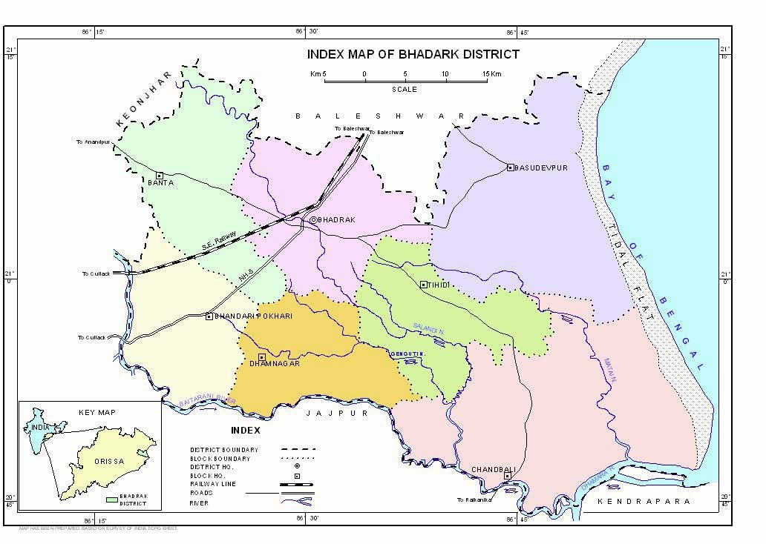
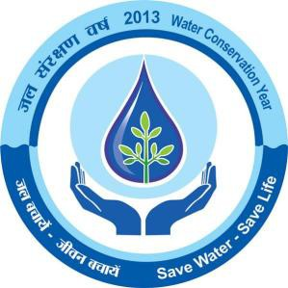
DISTRICT AT A GLANCE
S.No |  |  |  |  |  | ITEMS |  |  |  |  |  |  |  |  |  |  |  |  |  |  |  |  |  |  |  |  |  |  |  |  |  |  |  |  |  |  | STATISTICS
1 |  |  |  |  |  | GENERAL INFORMATION i) Geographical Area ( Sq km) ii) Number of Tehsil /Blocks iii) Number of Panchayat / Village iv) Population as on 2011 Census v) Average annual rainfall (mm) |  |  |  |  |  |  |  |  |  |  |  |  |  |  |  |  |  |  |  |  |  |  |  |  |  |  |  |  |  |  | 2778 sq.km 6/7 193/1311 1528
2 |  |  |  |  |  | GEOMORPHOLOGY 1. Major Physiographic Units 2. Major Drainage |  |  |  |  |  |  |  |  |  |  |  |  |  |  |  |  |  |  |  |  |  |  |  |  |  |  |  |  |  |  | Saline Marshy coastal tract & Slopping plain Baitarini River
3 |  |  |  |  |  | LAND USE a) Forest Area b) Net Area Sown c) Cultivated Area |  |  |  |  |  |  |  |  |  |  |  |  |  |  |  |  |  |  |  |  |  |  |  |  |  |  |  |  |  |  | 10,000 Ha 170,000 Ha 1,86,370Ha
4 |  |  |  |  |  | MAJOR SOIL TYPE |  |  |  |  |  |  |  |  |  |  |  |  |  |  |  |  |  |  |  |  |  |  |  |  |  |  |  |  |  |  | 1-Alfisol, 2-Aridisol, 3-Entisol
5 |  |  |  |  |  | AREA UNDER PRINCIPAL CROPS (as on 2011)
6 |  |  |  |  |  | IRRIGATION BY DIFFERENT SOURCES (Area and nos of structures) 1. Salandi Projrct 2. High Level Canal (III) 3. Tanks/ponds (M I P) 4. River lift +med deep tube well 5. Shallow tube well |  |  |  |  |  |  |  |  |  |  |  |  |  |  |  |  |  |  |  |  |  |  |  |  |  |  |  |  |  |  | Area (in Ha ) Kharif Rabi 49168 6500 19445 810 1133 300 4690 5300 2654 2136
 |  |  |  |  |  | 6. Dug wells |  |  |  |  |  |  |  |  |  |  |  |  |  |  |  |  |  |  |  |  |  |  |  |  |  |  |  |  |  |  | 269 |  |  |  |  |  |  |  | 59
 |  |  |  |  |  | 7. Creeks |  |  |  |  |  |  |  |  |  |  |  |  |  |  |  |  |  |  |  |  |  |  |  |  |  |  |  |  |  |  | 5318 |  |  |  |  |  |  |  | 4400
 |  |  |  |  |  | 8. Other sourcs |  |  |  |  |  |  |  |  |  |  |  |  |  |  |  |  |  |  |  |  |  |  |  |  |  |  |  |  |  |  | 7400 |  |  |  |  |  |  |  | 14015
 |  |  |  |  |  | 9. Gross Irrigated area |  |  |  |  |  |  |  |  |  |  |  |  |  |  |  |  |  |  |  |  |  |  |  |  |  |  |  |  |  |  | 90077 |  |  |  |  |  |  |  | 33520
7 |  |  |  |  |  | NUMBER OF GROUND WATER |  |  |  |  |  |  |  |  |  |  |  |  |  |  |  |  |  |  |  |  |  |  |  |  |  |  |  |  |  |  | 14 12
 |  |  |  |  |  | MONITORING WELLS OF CGWB (as on
 |  |  |  |  |  | 31.3.2011)
 |  |  |  |  |  | 1. No of Dug Wells
 |  |  |  |  |  | 2. Nos of Piezometers
8 |  |  |  |  |  | PREDOMINANT GEOLOGICAL FORMATIONS |  |  |  |  |  |  |  |  |  |  |  |  |  |  |  |  |  |  |  |  |  |  |  |  |  |  |  |  |  |  | Alluvium, laterites & Gr.gneiss
9 |  |  |  |  |  | HYDROGEOLOGY
 |  |  |  |  |  | • Major Water Bearing Formations |  |  |  |  |  |  |  |  |  |  |  |  |  |  |  |  |  |  |  |  |  |  |  |  |  |  |  |  |  |  | Alluvium,
 |  |  |  |  |  | • Pre-Monsoon Depth to Water Level during 2011. |  |  |  |  |  |  |  |  |  |  |  |  |  |  |  |  |  |  |  |  |  |  |  |  |  |  |  |  |  |  | 92-7.20,Average=4.82 mbgl
 |  |  |  |  |  | • Post-Monsoon Depth to Water |  |  |  |  |  |  |  |  |  |  |  |  |  |  |  |  |  |  |  |  |  |  |  |  |  |  |  |  |  |  | 1.14-4.01,Average=1.97mbgl
 |  |  |  |  |  | Level during 2011
 |  |  |  |  |  | • Long Term water level trend in 10 yrs (2001-2011) in m/yr |  |  |  |  |  |  |  |  |  |  |  |  |  |  |  |  |  |  |  |  |  |  |  |  |  |  |  |  |  |  | Rise and fall within 0.50 m
10 |  |  |  |  |  | GROUND WATER EXPLORATION BY
 |  |  |  |  |  | CGWB (As on 31.3.2011) No of wells
 |  |  |  |  |  | drilled (EW, OW,DW, Pz, SH ) Depth
 |  |  |  |  |  | Range (m) Discharge (lps) Storativity(s)
 |  |  |  |  |  | Transmissivity (m ²/day)
 |  |  |  |  |  |  |  |  |  |  |  |  |  |  |  |  |  |  |  |  |  |  |  |  |  |  |  |  |  |  |  |  |  |  |  |  | EW=37,OW=9,DW=19
 |  |  |  |  |  |  |  |  |  |  |  |  |  |  |  |  |  |  |  |  |  |  |  |  |  |  |  |  |  |  |  |  |  |  |  |  | ,Pz=14 ,SH=1) 154 to 600
 |  |  |  |  |  |  |  |  |  |  |  |  |  |  |  |  |  |  |  |  |  |  |  |  |  |  |  |  |  |  |  |  |  |  |  |  | mbgl 4 to 67lps 2.11×10-4 to
 |  |  |  |  |  |  |  |  |  |  |  |  |  |  |  |  |  |  |  |  |  |  |  |  |  |  |  |  |  |  |  |  |  |  |  |  | 8.3×10-4 274 to 1798 m2/day
11 |  |  |  |  |  | GROUND WATER QUALITY Presence of
 |  |  |  |  |  | Chemical constituents more than
 |  |  |  |  |  | permissible limit (e.g. EC, F, AS, Fe) Type |  |  |  |  |  |  |  |  |  |  |  |  |  |  |  |  |  |  |  |  |  |  |  |  |  |  |  |  |  |  | All within permissible limit
 |  |  |  |  |  | of water |  |  |  |  |  |  |  |  |  |  |  |  |  |  |  |  |  |  |  |  |  |  |  |  |  |  |  |  |  |  | Normal
12 |  |  |  |  |  | DYNAMIC GROUND WATER RESOURCES (2009 in mcm) 1-Annual replenishable Ground Water Resources 2-Net Annual Ground Water Draft 3-Projected demand for domestic and industrial uses up to 2005 4-Stage of Ground Water Development (%)
13 |  |  |  |  |  | AWARENESS AND TRAINING ACTIVITY Mass Awareness Programmes organized Date Place No of Participiants |  |  |  |  |  |  |  |  |  |  |  |  |  |  |  |  |  |  |  |  |  |  |  |  |  |  |  |  |  |  | Not Organized
 |  |  |  |  |  | Water Management and Training Programmes Organised Date Place No of Participiants |  |  |  |  |  |  |  |  |  |  |  |  |  |  |  |  |  |  |  |  |  |  |  |  |  |  |  |  |  |  | Not Organized
14 |  |  |  |  |  | EFFORTS OF ARTIFICIAL RECHARGE & RAIN WATER HARVESTING Projects completed Jointly by Deptt. Of water Resources, WAPCOS and CGWB ( Nos. & Amount spent ) |  |  |  |  |  |  |  |  |  |  |  |  |  |  |  |  |  |  |  |  |  |  |  |  |  |  |  |  |  |  | Two nos. of Artificial Recharge project were undertaken during 9th Plan Period 1- Rs. 544.89 Lakhs 2- Rs. 561.30 Lakhs
15 |  |  |  |  |  | GROUND WATER CONTROL AND REGULATION No of OE Blocks No of Critical Block No of Blocks Notified
16 |  |  |  |  |  | MAJOR GROUND WATER PROBLEMS AND ISSUES |  |  |  |  |  |  |  |  |  |  |  |  |  |  |  |  |  |  |  |  |  |  |  |  |  |  |  |  |  |  | 46% of the district is affected - by Ground Water salinity problem
C O N T E N T S
Chapter |  |  |  |  |  |  | Title |  |  |  |  |  |  |  |  |  |  |  |  |  |  |  |  |  |  |  |  |  |  |  |  |  |  |  |  |  |  |  |  |  |  |  |  |  |  |  |  |  | Page No.
1 |  |  |  |  |  |  | INTRODUCTION |  |  |  |  |  |  |  |  |  |  |  |  |  |  |  |  |  |  |  |  |  |  |  |  |  |  |  |  |  |  |  |  |  |  |  |  |  |  |  |  |  | 1
2 |  |  |  |  |  |  | RAINFALL & CLIMATE
3 |  |  |  |  |  |  | GEOMORPHOLOGY & SOIL TYPE
4 |  |  |  |  |  |  | GROUND WATER SCENARIO 1. Hydrogeology 2. Ground Water Resources 3. Ground Water Quality 4. Status of Ground Water Development
5 |  |  |  |  |  |  | GROUND WATER MANAGEMENT STRATEGY 1. Ground Water Development 2. Water Conservation & Artificial Recharge
6 |  |  |  |  |  |  | GROUND WATER RELATED ISSUES AND PROBLEMS
7 |  |  |  |  |  |  | AWARENESS & TRAINING ACTIVITY 1. Mass Awareness Programme (MAP) & Water Management Training Programme (WMTP) by CGWB 2. Participation in Exhibition, Mela, Fair etc
8 |  |  |  |  |  |  | AREAS NOTIFIED BY CGWA
9 |  |  |  |  |  |  | RECOMMENDATIONS
1.0 INTRODUCTION The Bhadrak sub-division of erstwhile Balasore district of Orissa State was conferred upon the status of an individual district in the year 1992-93 during reorganisation process of different districts of the state. The district is situated in
0 the north-eastern part of Orissa and lies between north latitudes 20 |  |  |  |  |  |  |  |  |  |  |  |  |  |  |  |  |  |  |  |  |  |  |  |  |  |  |  |  |  |  |  |  |  |  |  |  |  |  |  |  |  |  |  |  |  |  |  |  |  |  | 0 45’ & 21 14’
0 and east longitudes 86 |  |  |  |  |  |  |  |  |  |  |  |  |  |  |  |  |  | 0 17’ & 86 |  |  |  |  |  |  |  | 59’ (Plate – I). It is bounded in the north by
Balasore, in the south by Kendrapara and Jajpur, in the west by Keonjhar districts and in the east by Bay of Bengal. The geographical area of the district is 2788 sq km and is divided into 7 administrative blocks with district head quarter at Bhadrak. It is having 3 urban areas, viz; Bhadark Municipal area, Basudevpur (NAC) and Chandbali (NAC). The total population (2001census) of the district is 13,33,749 and out of which urban population is only 1,41,0711. The scheduled caste and scheduled tribe community accounts for 21.5% and 1.89% respectively of the total population of the district. The district forms the outfall area of the Baitarani river. The Baitarani river along with its tributaries form the drainage system of the area and flows along the Southern boundary of the district. Main tributaries of the Baitarani river are Salandi and Matai. The rivers and streams are mostly effluent in nature. The Baitarani and the Salandi rivers have developed extensive flood plains comprising unconsolidated materials. A large number of creeks have been developed before the river debouches with the river Brahmani. Irriigation practices-43% of the gross cultivable area is irrigated through surface water while 7 5 % through ground water sources. Studies carried out by CGWB-CGWB has been engaged in carrying out following studies/activities in the district. Remote Sensing Studies: Remote Sensing Studies were carried out through satellite imagery. The IRS LISS – II False Colour Composite (FCC) image was visually interpreted on 1:250,000 scale and various hydrogeomorphic units vis-à-vis their groundwater prospects were qualitatively assessed based on various geo-technical elements and photo elements. Hydrogeological Survey on Regional Scale: These surveys are conducted to decipher the hydrogeological and hydro chemical environs, status of gro

Ground Water Exploration: Central Ground Water Board had drilled 37 exploratory wells (EW), 14 piezometers , 19 deposit wells and 1 slim hole till March 2007, under ground water exploration programme. The depth of the exploratory bore holes ranges from 154 to 600 m. (Plate-II) Ground Water Regime Monitoring: Ground water regime is being monitored through a network of 26 (14 dug wells and 12 piezometers) National Hydrograph Stations (Plate-III). The monitoring involves measurement of water level four times in a year (January, April, August and November) and collection of water samples for chemical analysis once in a year (April). The objective of the monitoring is to keep a vigil over the ground water regime both qualitatively and quantitatively. Artificial Recharge studies: Besides the above activities, two major artificial recharge projects in the creek command area of the district have also been completed by CGWB. 2.0 RAINFALL & CLIMATE The district is characterized by tropical monsoon climate having three distinct seasons in the year, viz. winter, summer and rainy seasons. The Bay of Bengal, which forms the eastern boundary of the district, plays a prominent role in controlling the climate of the district. The winter commences from late November and continues till end of February. The winter is followed by the summer season, which extends upto mid June. During the period between April and May, 3 to 4 cyclonic storms accompanied with rains generally occur in the district. The rainy season sets-in at the advent of the southwest monsoon, generally from the middle of June and continues till end of September. The average lowest and the highest temperatures (1992-99) for the district
0 0
are 13.8 C and 38.7 C respectively. The normal annual rainfall is 1568.4 mm (1950 – 1991). The average annual rainfall for the last 8 years (1997-05) is 1528 mm and out of which 1242 mm is monsoon rainfall. During the 2005 the annual rainfall was recorded as 1618.7 mm. The mean annual wind velocity at Chandbali (IMD observatory) is 9.3 km/hr. The wind speed during cyclonic storms becomes very high and ranges from 70 to 100 km/hr or even more. Major direction of wind is from south and south-west. The relative humidity, on an average, varies from 40 to 90% during the year and during monsoon it is much more. The mean monthly potential evapotranspiration varies from 4.51 cm during January to 27.68 cm during May.
3.0 GEOMORPHOLOGY & SOIL TYPES The district presents gently undulating to flat topography with the altitude varying from 37m in the North-Western part to around 3m, in the extreme eastern part along the coast line. The general slope is towards east and south- east which varies from 5 to 1.1 metre per kilometre from north west to south east. The district can broadly be divided into four distinct geomorphic units (1) Tidal flat (2) Coastal plain (3) Alluvial plain (4) Flood plain. The fine sediments carried by the rivers get deposited along the coast because of tidal action, as tidal flat / mud flat. The width of this tidal flat varies from 2 to 5 Kms. Tidal flats and mud flats support growth of varieties of mangrove. The coastal plain is a gently sloping plain occurring parallel to the coast and mainly formed by fluvio–marine action and is intersected by network of creeks, which are mainly saline due to tidal action. The area is marshy with shrubby vegetation. The width of this coastal plain varies from 5 to 25 Kms. The coastal plain encompasses a series of beach ridges characterized by sand dunes of varied relief and extends for kilometers, almost parallel to the coast. The gently sloping alluvial plain occurs to the west of the coastal plain and forms the most fertile part of the district. The alluvial plain can be further divided into two i.e. (i) Older alluvial plain (ii) Younger alluvial plain The North-western part of the district constitute the older alluvial plain. This is attributed mainly due to earlier cycle of deposition of sediments carried by rivers / streams and constitutes gravel, sand, and clay. At places, lateritisation at the top down to a depth of few meters has also occurred. The younger alluvial plain spreads over a large area and it represents major part of the district. This has developed due to depositional activities of the major river systems in a fluviatile e

Three types of soils, viz. Alfisols, Aridisols and Entisols occur in the district. As per agro-climatic classification, the district falls under North Eastern Coastal plain. Alfisols: These include deltaic and older alluvial soils. The deltaic soils are found along the course of Baitarani River while the older alluvial soils occur in the extreme north-western part. The deltaic alluvial soils are generally deficient in phosphate (P2O5) and nitrogen (N). Both the total and available potassium (K2O) are fairly adequate and pH varies between 6.5 and 7.3. Aridisols: These are saline and saline alkali soils, occurring along the coastal area and are rich in calcium, magnesium and also consist of half decomposed organic matter. Entisols: These soils include coastal alluvial soils, which are deficient in nitrogen, phosphoric acid and humus, but not in potash and lime. The soil
texture varies from loam to clayey loam. It is alkaline in nature and the most fertile soil in the area. 4.0 GROUND WATER SCENARIO 4.1 Hydrogeology :- Water bearing formations- The district is underlain by unconsolidated formations belonging to Quaternary and Tertiary periods down to a depth varying from 165 m in the northwestern part to more than 600m in the eastern part along the coast line and are composed of sand, gravel, clay, laterites and lateritic gravel, silt, mud stone, shale, lime stones etc.(Map –IV) Occurrence of ground water -The ground water occurs within the unconsolidated geological formations having primary porosity. Hence the hydrogeological unit of the district has been identified as porous formation. Sand and gravel horizons of porous formation form the main repository of ground water in the entire district. The laterites and lateritic gravels form aquifers, which are limited to shallow depth and restrict its occurrence in the northwestern part of the district. A considerable area, about 1300 sq km of the district in the east suffers from salinity problem, where occurrence of saline ground water at depths restricts the thickness of fresh ground water aquifers. Nature and depth of aquifer system encountered in the area - Based on the mode of occurrence of ground water, aquifer system may be divided into shallow and deeper. Shallow Aquifers: Near surface aquifer in which ground water occurs under unconfined (phreatic) condition and is mainly tapped by dug wells for ground water extraction is generally identified as shallow aquifer. Thickness, composition and age etc. of shallow aquifers vary widely in the district resulting in its variation in yield characteristics. The aquifer’s average thickness of 12m to 15m in the northwestern part in lateritic terrain generally reduces to 10m to 12m in west central part in older all

dug wells in younger alluvium and sand dunes yields upto 45 m /day. The yield
from older alluvium ranges in between. Hydraulic conductivity of lateritic aquifer ranges from 0.66 to 2.15 m/day and the same in other formations varies from 2.88 to 3.64 m/day. The other details are as below-
Formation |  |  |  |  |  |  |  |  |  |  |  |  |  |  |  | Specific capacity Index (lpm /m/m²) |  |  |  |  |  |  |  |  |  |  |  |  |  |  |  |  |  |  | Hydraulic Conductivity (m /day)
Alluvium |  |  |  |  |  |  |  |  |  |  |  |  |  |  |  | 1.44-6.23 |  |  |  |  |  |  |  |  |  |  |  |  |  |  |  |  |  |  | 2.88-3.64
(Older and Recent)
laterites |  |  |  |  |  |  |  |  |  |  |  |  |  |  |  | 0.72-3.35 |  |  |  |  |  |  |  |  |  |  |  |  |  |  |  |  |  |  | 0.66-2.15
Deeper Aquifers: Aquifers, which occur below the phreatic zone and extends down to a greater depth, are termed as deeper aquifers. Ground water in deeper aquifers occurs under semi-confined to confined conditions. Deeper aquifers are tapped by tube wells for ground water extraction. Results of Ground water exploration reveal the existence of extensive and highly potential deeper aquifers at different depths down to a maximum of about 350 m below ground level. Cumulative thickness and also depth of occurrences of aquifer vary in different parts of the district. Also the deeper aquifers in the eastern sector suffer from salinity problem down to a depth varying from 84m to 292 m.
Tube wells (92m to 343 m deep) constructed by tapping 16m to 76 m thick (cumulative thickness) deeper aquifers yielded 15 to 68 liters per second (lps) for a draw down of water levels varying from 5.48 m to 25.19 m. The piezometric / pressure heads (static water levels) vary from 1.22 m above ground level (agl) to 6.36 m below ground level (bgl). The auto flow condition occurs in the southeastern part covering Musang-Doulatpur-Nalgunda-Chandbali sector. The 2 transmissivity value of aquifer range from 274 to 1798 m /day and storativity
varies from 8.34 X 10 |  |  |  |  |  |  |  |  |  |  |  |  |  |  |  |  | –4 –4 to 2.11 X 10 .
The depth of occurrence of potential aquifers and also average cumulative thickness of aquifers, yield, drawdown etc. for non-saline and saline areas are presented in the Hydrogeological Map (Plate-V). Non-Saline Area: Potential aquifers occurring within a depth range of 40 to 160m have a cumulative thickness of 35 – 45m and the yield varies from 35 – 40 lps with a drawdown of 10 – 12m. The piezometric head lies within 6 mbgl. Saline Area: 1. Dhusuri-Tihidi-Pirhat-Aradi area: Potential fresh water aquifers generally occur between 100 and 180m depth range. The average cumulative thickness is
5 45m, having average yield of 50 lps, with an average draw down of 13m. The pressure heads rest within 2.5 mbgl. 2. Harisinghpur-Krushnapur-Ghanteswar-Dhamra-Chandbali area: Potential fresh water aquifers generally occur between 170 and 300 m depth range. The average cumulative thickness is 40m with an average yield of 45 lps having an average draw down of 15 m with pressure heads varying from 1.2m above ground level (agl) to 1.76m below ground level (mbgl). Depth to water level (Pre & post monsoon 2011): The depth to water levels during pre monsoon period (April 2011) varies from 1.92 m to 7.20m below ground level while during post monsoon period it ranges from 1.14 to 4.01 m below ground level. The depth to water level map for pre and post monsoon periods (2011) are presented in Plate VI and VII respectively. Seasonal Fluctuation: Fluctuation of water levels with respect to pre and post monsoon periods (2011) varies from 0.83 m to 4.89 m. The depth to water levels in different seasons and seasonal fluctuation of water levels are more in western part, which gradually decreases towards east. Long term water level trend in last 10years: Long-term trend analysis (2001- 2011) of water levels does not show any significant rise or fall of water levels. Both rise and fall are mostly restricted within 0.5m. 4.2 Ground Water Resources: The dynamic ground water resource of the district was estimated during 2009 jointly by Central Ground Water Board and Ground water Survey and Investigation Deptt. of Govt.of Orissa, adopting the norms recommended by Ground Water Estimation Committee (2003) and found to be 45409 ham. The annual draft is only 25197 ham and the balance ground water resource available for irrigation is 19786 ham. The level of ground water development is only 55.49%. Block wise ground water resources are tabulated as below-

Table- Stage of Ground Water Development of Bhadrak District, Block Wise As on March 2009 (in ha m)
Sl No |  |  |  |  | Block |  |  |  |  |  |  |  |  |  |  | Net Annual Ground Water Availability |  |  |  |  |  | Existing Gross Ground Water Draft for Irrigation |  |  |  |  |  |  | Existing Gross Ground Water Draft for domestic & Industrial Supply |  |  |  |  |  | Existing Gross Ground Water Draft for all uses |  |  |  |  |  | Provision for domestic & industrial requirement supply for next 25 years |  |  |  |  |  |  |  |  | Net Ground Water Availability for future irrigation development |  |  |  | Stage of Ground Water Development
 |  |  |  |  |  |  |  |  |  |  |  |  |  |  |  | (ham) |  |  |  |  |  | (ham) |  |  |  |  |  |  | (ham) |  |  |  |  |  | (ham) |  |  |  |  |  | (ham) |  |  |  |  |  |  |  |  | (ham) |  |  |  | ( % )
1 |  |  |  |  | 2 |  |  |  |  |  |  |  |  |  |  | 4 |  |  |  |  |  | 5 |  |  |  |  |  |  | 6 |  |  |  |  |  | 7 |  |  |  |  |  | 8 |  |  |  |  |  |  |  |  | 9 |  |  |  | 10
1 |  |  |  |  | Basudevpur |  |  |  |  |  |  |  |  |  |  | 7791.00 |  |  |  |  |  | 3224.00 |  |  |  |  |  |  | 269.44 |  |  |  |  |  | 3494.00 |  |  |  |  |  | 365.00 |  |  |  |  |  |  |  |  | 4202.00 |  |  |  | 44.85
2 |  |  |  |  | Bhadrak |  |  |  |  |  |  |  |  |  |  | 10815.00 |  |  |  |  |  | 6627.00 |  |  |  |  |  |  | 654.48 |  |  |  |  |  | 7282.00 |  |  |  |  |  | 745.00 |  |  |  |  |  |  |  |  | 3443.00 |  |  |  | 67.33
3 |  |  |  |  | Bhandaripokhari |  |  |  |  |  |  |  |  |  |  | 9604.00 |  |  |  |  |  | 5806.00 |  |  |  |  |  |  | 454.50 |  |  |  |  |  | 6260.00 |  |  |  |  |  | 701.00 |  |  |  |  |  |  |  |  | 3097.00 |  |  |  | 65.18
4 |  |  |  |  | Bonth |  |  |  |  |  |  |  |  |  |  | 7724.00 |  |  |  |  |  | 2865.00 |  |  |  |  |  |  | 760.74 |  |  |  |  |  | 3626.00 |  |  |  |  |  | 563.00 |  |  |  |  |  |  |  |  | 4296.00 |  |  |  | 46.94
5 |  |  |  |  | Chandbali |  |  |  |  |  |  |  |  |  |  | 0.00 |  |  |  |  |  | 0.00 |  |  |  |  |  |  | 0.00 |  |  |  |  |  | 0.00 |  |  |  |  |  | 0.00 |  |  |  |  |  |  |  |  | 0.00 |  |  |  | 0.00
6 |  |  |  |  | Dhamnagar |  |  |  |  |  |  |  |  |  |  | 3715.00 |  |  |  |  |  | 1867.00 |  |  |  |  |  |  | 271.07 |  |  |  |  |  | 2139.00 |  |  |  |  |  | 396.00 |  |  |  |  |  |  |  |  | 1452.00 |  |  |  | 57.58
7 |  |  |  |  | Tihidi |  |  |  |  |  |  |  |  |  |  | 5760.00 |  |  |  |  |  | 2182.00 |  |  |  |  |  |  | 214.63 |  |  |  |  |  | 2396.00 |  |  |  |  |  | 283.00 |  |  |  |  |  |  |  |  | 3296.00 |  |  |  | 41.60
 |  |  |  |  | District Total |  |  |  |  |  |  |  |  |  |  | 45409.00 |  |  |  |  |  | 22571.00 |  |  |  |  |  |  | 2625.00 |  |  |  |  |  | 25197.00 |  |  |  |  |  | 3053.00 |  |  |  |  |  |  |  |  | 19786.00 |  |  |  | 55.49
4.3: Ground Water Quality : Chemical analysis results of ground water samples indicate that ground water is extremely fresh to saline in shallow as well as in deeper aquifers of the district. The limit of freshness is fixed considering the maximum prescribed limit of dissolved solids concentration (2000 mg/l) for potable water (I.S – 1991). The ground water from both shallow and deeper aquifers is Na-HCO3, NaCl and Ca-HCO3 types and Na-HCO3, Na-Cl types are predominating, which may be due to Base Exchange process and also due to proximity of the sea. Hydrochemistry of shallow and deep aquifers is described below. Shallow Aquifers: The ground water is alkaline in nature with pH value limiting to around 8.2. The electrical conductance values show a wide range 0
from 392 to 2300 µS / cm at 25 0 |  |  |  |  |  |  |  |  |  |  |  |  |  |  |  |  |  |  |  |  |  |  |  | C but in 62% cases it is less than 1000 µS / cm
at 25 C. Higher values of electrical conductance are noted at Motto (2088), Chandbali block, Bagdavinayakpur (2300), Basudevpur block and Banta (1721), Banta block. Concentration of dissolved solids varies from 235 to 1380 mg/l and in nearly 80 percent cases it is within 1000 mg/l. More than 1000 mg/l concentration is noted at Banta (1027 mg/l), Motto (1253 mg/l),Bagdavinayakpur (1380 mg/l). Concentration of chloride is within the desirable limit i.e. 250 mg/l in majority of the cases. Slightly higher
concentration is noted at Bagdavinayakpur (312 mg/l) and Motto (319 mg/l). Nitrate concentration is generally less than 10 mg/l. The fluoride concentration varies from 0.42 to 1.07 mg/l and is generally less than 1.0 mg/l (permissible limit 1.5 mg/l). Concentration of iron ranges from non-detectable to 0.49 mg/l at Tihidi (permissible limit 1.0 mg/l). Total Hardness, in nearly seventy percent cases is within 250 mg/l (desirable limit 300 mg/l) and in rest thirty percent cases it varies from 320 to 470 mg/l (permissible limit 600 mg/l). Higher concentrations are noted from Kothar (340 mg/l), Dhamnagar block, Chandbali (325 mg/l), Motto (320 mg/l) and Bagdavinayakpur (470 mg/l). The concentration of other chemical constituents like Calcium, Sulphate and Phosphate are within the desirable limit in more than ninety percent cases and rest is well within the permissible limit. Deeper Aquifers: The pH value ranges from 7.2 at Bhadrak to 9.0 at Dhakinabar with the majority of the value ranging between 7.5 and 8.2 which indicate ground water from deeper aquifers is generally alkaline in nature. The 0
electrical conductance values ranges from 511 to 1230 µS / cm at 25 |  |  |  |  |  |  |  |  |  |  |  |  |  |  |  |  |  |  |  |  |  |  |  |  |  |  |  |  |  |  |  |  |  |  |  |  |  |  |  |  |  |  |  |  |  |  |  |  |  |  |  |  | C. The 0
electrical conductance values are generally less than 700 µS / cm at 25 C in 0
non-saline area while it is above 800 µS / cm at 25 |  |  |  |  |  |  |  |  |  |  |  |  |  |  |  |  |  |  |  |  |  |  |  |  |  |  |  |  |  |  |  |  |  |  |  |  |  |  |  | C in saline hazard area 0
where the values generally are around 1000 µS / cm at 25 C. The
concentration of total dissolved solids ranges from 332 to 708 mg/l. In general, concentration of dissolved solids is less than 450 mg/l in non-saline area while it is more than 450 mg/l in saline hazard areas. The chloride content in saline area varies from 11 to 28 mg / l while in non-saline hazard area it ranges from 89 to 230 mg/l with the majority of the values lying within 150 mg/l. Nitrate concentration in deeper aquifers is limited to 10 mg/l and the maximum fluoride content is 0.8 mg/l, which indicate that concentration of both the pollutants in deeper aquifer are well within the permissible limit, which are 100 mg/l for nitrate and 1.5 mg/l for fluoride. The concentration of iron varies from 0.05 to 0.67 mg/l against the permissible limit of 1.0 mg/l. Total hardness varies from 80 to 280 mg/l against the desirable limit of 300 mg/l. The concentration of other chemical constituents like Calcium, Sulphate and Phosphate are within the desirable limits. Suitability of Ground Water for Drinking Purpose - The concentration of major chemical constituents and also the pollutants like fluoride and nitrate content in fresh ground water of shallow and deeper aquifers are well within permissible limit of drinking water specification (Indian Standard 1991). Hence the fresh ground water may be used as safe drinking water source. Suitability of Ground Water for Agricultural Purpose - Ground water in general is suitable for irrigation purpose. Ground water from shallow and deeper aquifers belongs to C2S1 and C3S1 class of USSL
Classification, which indicates that ground water, in general belongs to low alkaline and medium to high salinity class. Low alkaline and medium salinity (C2S1) type ground water is common in western part while C3S1 type is common in eastern part particularly in saline hazard tract. The C2S1 type of ground water generally suits for major types of crops while slight salt tolerant crops should be grown by using C3S1 type of water. 4.4 Status of Ground Water Development (Block wise): As below- The Present stage of ground water development in different blocks of the district varies from 23.84 to 73.82% with minimum in Basudevpur Block and Maximum in Bhandaripokri Block of the district. Thus there is further scope for development of groundwater in the district to augment irrigation potentials. Status of groundwater development as assessed in March 2004 are as below- Yield potential of dug wells, bore wells,/ tube wells ,their prevailing depth ,diameter & discharge ranges , deepening of wells ,types of pump and water lifting device are tabulated as below-
Hydrogeological Environ- ment |  |  |  |  |  |  |  |  |  |  |  | Type of structures |  |  |  |  |  |  |  |  |  |  | Specification of structures |  |  |  |  |  |  |  |  |  |  |  |  |  |  | Yield Prospect |  |  |  |  |  |  |  |  |  | Water lifting device
Non-Saline area |  |  |  |  |  |  |  |  |  |  |  | Dug wells fitted with pumps |  |  |  |  |  |  |  |  |  |  | 8-10 m deep (laterite & older alluvium) 6-8m (in recent alluvium) Dia- 4m |  |  |  |  |  |  |  |  |  |  |  |  |  |  | Upto 45m3/ day |  |  |  |  |  |  |  |  |  | Submersible pump 2-5HP
 |  |  |  |  |  |  |  |  |  |  |  | Filter point tube wells |  |  |  |  |  |  |  |  |  |  | 15 to 30m deep 10cm x 5 cm dia |  |  |  |  |  |  |  |  |  |  |  |  |  |  | Upto 5 lps. |  |  |  |  |  |  |  |  |  | Submersible pump 2-5HP
 |  |  |  |  |  |  |  |  |  |  |  | Shallow tube wells. |  |  |  |  |  |  |  |  |  |  | Upto 50m deep 15cm dia |  |  |  |  |  |  |  |  |  |  |  |  |  |  | Upto 15 lps. |  |  |  |  |  |  |  |  |  | Submersible/turbi ne pump 5HP
 |  |  |  |  |  |  |  |  |  |  |  | Medium deep tube wells. |  |  |  |  |  |  |  |  |  |  | Upto 150m deep 25cm x 20cm dia |  |  |  |  |  |  |  |  |  |  |  |  |  |  | 30 to 50 lps |  |  |  |  |  |  |  |  |  | Submersible /turbine pump 10HP
Saline area |  |  |  |  |  |  |  |  |  |  |  | Deep tube wells for tapping fresh water zones |  |  |  |  |  |  |  |  |  |  | Upto 200m deep (tihidi- Pirhat- Aradi- Suryapur area) upto 300m deep (Rest area) dia 25x 20cm |  |  |  |  |  |  |  |  |  |  |  |  |  |  | 30 to 50 lps. |  |  |  |  |  |  |  |  |  | Submersible/turbi ne pump 15 HP
Feasibility of Ground Water Structures - Depending upon hydro-geological set up following ground water abstraction structures are feasible in the area (Plate-IX).
Feasibility of Ground Water Structures in Non Saline Area: Dug wells: The depth of the dug wells in older alluvium areas (with or without lateritic capping) should be 8 to 10m. In extreme western part (laterite capped) of the area, dug wells should be dug up to 10m depth for assured water supply throughout the year. In the areas covered by recent alluvium (eastern part) the depth may be 6 to 8m. The diameter of the wells in both the case (older and 3
recent alluvium) may be 4m. The expected yield of these wells are 40 to 45m / day
Filter Point Tube Wells : These tube wells are very successful on the recent flood plain deposit occurring along the banks of river and stream and also on the bank of moribund channels of rivers or stream and within the dried up stream course. The depth of these structures may be 15 to 30 m and dia 10 cm x 5 cm or all through 5cm. 2 H.P submersible or centrifugal pumps may be fitted. The yield of these wells is generally within 5 lps but field experiences indicate that these wells can yield upto 10 lps. Wherever thick aquifer zones (> 4m) are tapped, these wells can be run for 6 to 8 hours daily. The command area of the tube well is around 3 ha during kharif and 1.8 to 2 ha during Rabi season. The pumps of 2 H.P capacity may be installed in these tube wells. Shallow Tube Wells: The depth of the shallow tube wells may be restricted within 50 mbgl and the diameter is 15cm. The thickness of available aquifer zones vary from 5 to 10m within this depth. The occurrence of prominent aquifer zones upto 50m depth are commonly found in the western part of the district i.e Banth- Bandaripokhari- Dhamnagar sector. The expected yield is generally within 15 lps and summerisble pumps of 3 to 5 H.P may be installed. The field experiences indicate that these wells can be run for 8 to 10 hour in a day and the yield in Banth Dhamnagar sector is upto 22 lps. These structures can irrigate upto 10 hectares of land during kharif season and around 6 hectors during Rabi Season. Medium Deep Tube Wells: The medium deep tube wells upto a depth of 150m are feasible in the non saline tract. The depth of the wells may vary from 80 to 150m and within this depth range the thickness of aquifer zones vary from 25 to 63m. The yields of these tube wells in Agarpara and Bhadrak sector vary from 30 to 40 lps. In the Banth- Dhamnagar-Sarapur Barpada sector the yield varies from 40 to 60 lps. The maximum depth of p

(Dhusuri)-Tihidi-Daultpur-Aradi sectors. In this sector fresh water bearing aquifer zones occur at 84 m (Tihidi) to 108 m (Daulatpur) depth and extend down to average depth of 180 m. Besides this sector, the deep tube wells of 150-200 m deep are also feasible in and around Churamaniariya area (Basudevpur Block) because at Churamaniariya fresh water bearing aquifer zones occur between 65 and 133 m depth. The tube wells upto 300 m depth are suggested for Krushnapur, Harisingpur, Chandabali, Dhamra, Bideipur sector of Chandabali and Basudvpur blocks. In this sector fresh water bearing aqifer zones generally occur below 170 m depth and extend down to maximum depth of 292 m. The yield of these deep tube wells (200 m & 300 m) are expected to be around 30 to 50 lps. The diameter of these wells may be 25 cm x 20 cm (10” x 8”). The available hydrogeological data of CGWB wells indicates that these wells may be run continuously for 10 to 12 hours in a day and the maximum depth of pumping water level (SWL + Draw down) is around 22m. These wells can irrigate 24 hectares of land during Kharif and also 24 hectares in Rabi season. The water of these wells are expected to be C3 S1 class, as evident from existing data, hence salt tolerant crops are suggested to grow. Table-Availability of drinking water facilities in different blocks of Bhadrak district .
Name of Block |  |  |  |  |  |  |  |  |  |  | No of villages having No |  |  |  |  |  |  |  |  |  |  |  |  |  | Tube wells |  |  |  |  |  |  |  |  |  |  |  |  |  |  |  |  |  | Piped Water
 |  |  |  |  |  |  |  |  |  |  | Source of safe drinking water facilities . |  |  |  |  |  |  |  |  |  |  |  |  |  | No of working tube wells |  |  |  |  |  |  |  |  | No of villages covered |  |  |  |  |  |  |  |  | No of piped Water Projects |  |  |  |  |  |  |  |  | No of villages covered
Basudevpur |  |  |  |  |  |  |  |  |  |  | 173 |  |  |  |  |  |  |  |  |  |  |  |  |  | 980 |  |  |  |  |  |  |  |  | 111 |  |  |  |  |  |  |  |  | 3 |  |  |  |  |  |  |  |  | 8
Bhadrak |  |  |  |  |  |  |  |  |  |  | 147 |  |  |  |  |  |  |  |  |  |  |  |  |  | 1119 |  |  |  |  |  |  |  |  | 105 |  |  |  |  |  |  |  |  | 2 |  |  |  |  |  |  |  |  | 3
Bhandaripokhri |  |  |  |  |  |  |  |  |  |  | 164 |  |  |  |  |  |  |  |  |  |  |  |  |  | 917 |  |  |  |  |  |  |  |  | 130 |  |  |  |  |  |  |  |  | - |  |  |  |  |  |  |  |  | -
Bonth |  |  |  |  |  |  |  |  |  |  | 195 |  |  |  |  |  |  |  |  |  |  |  |  |  | 1008 |  |  |  |  |  |  |  |  | 158 |  |  |  |  |  |  |  |  | 2 |  |  |  |  |  |  |  |  | 8
Chandbali |  |  |  |  |  |  |  |  |  |  | 267 |  |  |  |  |  |  |  |  |  |  |  |  |  | 1024 |  |  |  |  |  |  |  |  | 217 |  |  |  |  |  |  |  |  | 4 |  |  |  |  |  |  |  |  | 17
Dhamnagar |  |  |  |  |  |  |  |  |  |  | 138 |  |  |  |  |  |  |  |  |  |  |  |  |  | 1011 |  |  |  |  |  |  |  |  | 84 |  |  |  |  |  |  |  |  | 2 |  |  |  |  |  |  |  |  | 6
tihidi |  |  |  |  |  |  |  |  |  |  | 151 |  |  |  |  |  |  |  |  |  |  |  |  |  | 954 |  |  |  |  |  |  |  |  | 83 |  |  |  |  |  |  |  |  | 4 |  |  |  |  |  |  |  |  | 14
Status of Town water supply ; There are three urban local bodies in the district namely Bhadrak, Basudevpur and Dhamnagar .Status of town water supply is as below-
ULB’s Name |  |  |  |  |  |  |  |  |  |  |  |  |  | Area (sq km) |  |  |  |  |  | No of house holds |  |  |  |  |  |  |  | Popul ation |  |  |  |  |  | Demand (MLPD) |  |  |  |  |  |  |  | Supply (MLPD) |  |  |  |  |  |  |  | Short fall (MLPD)l
Bhadrak (M) |  |  |  |  |  |  |  |  |  |  |  |  |  | 31.08 |  |  |  |  |  | 15338 |  |  |  |  |  |  |  | 92515 |  |  |  |  |  | 11.02 |  |  |  |  |  |  |  | 11 |  |  |  |  |  |  |  | 0.02
Basudevpur(NAC) |  |  |  |  |  |  |  |  |  |  |  |  |  | 47.78 |  |  |  |  |  | 5282 |  |  |  |  |  |  |  | 30006 |  |  |  |  |  | 5.0 |  |  |  |  |  |  |  | 4.8 |  |  |  |  |  |  |  | 0.2
Dhamnagar (CT) |  |  |  |  |  |  |  |  |  |  |  |  |  | NA |  |  |  |  |  | 3126 |  |  |  |  |  |  |  | 18550 |  |  |  |  |  | 2.0 |  |  |  |  |  |  |  | 1.75 |  |  |  |  |  |  |  | 0.25
For all source of water is ground water. 5.0 GROUND WATER MANAGEMENT STRATEGY 5.1 Ground Water Development: Stage of ground water development shows that further scope exist for its development almost in all blocks of the district. Area suitable for ground water development -
12 In Non Saline area:-
Dug well : Western part of district occupied by laterite cappings and recent alluvium. Filter point tube well : Recent flood plain deposit occurring along river bank &stream. Shallow tube well: Western part of district(bonth-B-ipokhri-Dhamnagarsector . Medium depth tube well :In Bonth –Dhamnagar-Barpada sector In Saline area – Only deep tube wells are feasible ie in Chandabali-Dhamra and Bideipur sector. Area feasible for various ground water structures are shown in plate- IX. Drilling and Well design: Tube wells can be constructed by deploying rotary rig. First pilot hole is constructed. Then on the basis of granular zones pipes with perforated pipes are lowered in well. In saline tract cement sealing is provided to isolate fresh water aquifer. Then well is developed with Air compressor/pump to get sand free water. A generalized design of tube well is as below-
Sand Clay
Cement sealing
(A) Design of tube well in non-saline (B) Design of well in saline area area where Ground water is fresh where ground water is saline in upper through out depth drilled.part and fresh below. 5.2: Water Conservation and Artificial Recharge: Number of various structures constructed: As below-
Block |  |  |  |  |  |  |  |  |  | Location / Name of MIP |  |  |  |  |  |  |  |  |  |  |  |  |  |  |  |  |  |  |  | Catchment Area (Sq KM ) |  |  |  |  |  |  |  |  |  |  |  |  |  | Remarks
Basudevpur |  |  |  |  |  |  |  |  |  | Nandapur |  |  |  |  |  |  |  |  |  |  |  |  |  |  |  |  |  |  |  | 5 |  |  |  |  |  |  |  |  |  |  |  |  |  | Ongoing
Bhadrak |  |  |  |  |  |  |  |  |  | Boitalamohara |  |  |  |  |  |  |  |  |  |  |  |  |  |  |  |  |  |  |  | 8 |  |  |  |  |  |  |  |  |  |  |  |  |  | Completed
 |  |  |  |  |  |  |  |  |  | Mirjapur |  |  |  |  |  |  |  |  |  |  |  |  |  |  |  |  |  |  |  | 14 |  |  |  |  |  |  |  |  |  |  |  |  |  | Completed
 |  |  |  |  |  |  |  |  |  | Rahanja |  |  |  |  |  |  |  |  |  |  |  |  |  |  |  |  |  |  |  | 6 |  |  |  |  |  |  |  |  |  |  |  |  |  | Completed
 |  |  |  |  |  |  |  |  |  | Sahada |  |  |  |  |  |  |  |  |  |  |  |  |  |  |  |  |  |  |  | 21 |  |  |  |  |  |  |  |  |  |  |  |  |  | Completed
 |  |  |  |  |  |  |  |  |  | Khandakosi |  |  |  |  |  |  |  |  |  |  |  |  |  |  |  |  |  |  |  | 18 |  |  |  |  |  |  |  |  |  |  |  |  |  | Completed
 |  |  |  |  |  |  |  |  |  | Sapua |  |  |  |  |  |  |  |  |  |  |  |  |  |  |  |  |  |  |  | 3 |  |  |  |  |  |  |  |  |  |  |  |  |  | Completed
 |  |  |  |  |  |  |  |  |  | Golapsa |  |  |  |  |  |  |  |  |  |  |  |  |  |  |  |  |  |  |  | 3.2 |  |  |  |  |  |  |  |  |  |  |  |  |  | Ongoing
Bonth |  |  |  |  |  |  |  |  |  | Badasandadev |  |  |  |  |  |  |  |  |  |  |  |  |  |  |  |  |  |  |  | 10 |  |  |  |  |  |  |  |  |  |  |  |  |  | Completed
 |  |  |  |  |  |  |  |  |  | Tillow |  |  |  |  |  |  |  |  |  |  |  |  |  |  |  |  |  |  |  | 31 |  |  |  |  |  |  |  |  |  |  |  |  |  | Completed
Dhamnagar |  |  |  |  |  |  |  |  |  | Jawnalla |  |  |  |  |  |  |  |  |  |  |  |  |  |  |  |  |  |  |  | 10 |  |  |  |  |  |  |  |  |  |  |  |  |  | Completed
 |  |  |  |  |  |  |  |  |  | Sonapatia |  |  |  |  |  |  |  |  |  |  |  |  |  |  |  |  |  |  |  | 3 |  |  |  |  |  |  |  |  |  |  |  |  |  | Completed
 |  |  |  |  |  |  |  |  |  | Sriganga |  |  |  |  |  |  |  |  |  |  |  |  |  |  |  |  |  |  |  | 215 |  |  |  |  |  |  |  |  |  |  |  |  |  | Ongoing
Tihidi |  |  |  |  |  |  |  |  |  | Balichaturi |  |  |  |  |  |  |  |  |  |  |  |  |  |  |  |  |  |  |  | 16 |  |  |  |  |  |  |  |  |  |  |  |  |  | Completed
 |  |  |  |  |  |  |  |  |  | Kaithabandha |  |  |  |  |  |  |  |  |  |  |  |  |  |  |  |  |  |  |  | 8 |  |  |  |  |  |  |  |  |  |  |  |  |  | Completed
 |  |  |  |  |  |  |  |  |  | Rajabandha |  |  |  |  |  |  |  |  |  |  |  |  |  |  |  |  |  |  |  | 5 |  |  |  |  |  |  |  |  |  |  |  |  |  | Completed
 |  |  |  |  |  |  |  |  |  | Babrumahra |  |  |  |  |  |  |  |  |  |  |  |  |  |  |  |  |  |  |  | 8 |  |  |  |  |  |  |  |  |  |  |  |  |  | Ongoing
Source : Minor Irrigation Book 2006 Types of recharge structured suited in terrain – Tank ,and development of existing creeks . Artificial Recharge Studies : Under Central Sector Scheme two artificial recharge projects were completed to arrest salinity ingress in the creek command area of the district. These are as below- (A) Arresting salinity ingress and ground water recharge in parts of Bhadrak district. (B) Artificial Recharge to ground water for Arresting Salinity Ingress in parts of Basudevpur & Chandbali Blocks of Bhadrak District, Orissa: Salient features of each project is given below- Salient features of Scheme ‘A’
S.No |  |  |  |  |  | Particulars |  |  |  |  |  |  |  |  |  |  |  |  |  |  |  |  |  |  | Details
A |  |  |  |  |  | Administratative Details
1 |  |  |  |  |  | Name of Scheme |  |  |  |  |  |  |  |  |  |  |  |  |  |  |  |  |  |  | Arresting salinity ingress and ground water recharge in parts of Bhadrak district
2 |  |  |  |  |  | Scheme under which project was taken up |  |  |  |  |  |  |  |  |  |  |  |  |  |  |  |  |  |  | Under Central Sector Scheme ‘Recharge to Ground Water’
3 |  |  |  |  |  | Funding Agency |  |  |  |  |  |  |  |  |  |  |  |  |  |  |  |  |  |  | Ministry of Water Resources, Govt. of India
4 |  |  |  |  |  | Implementing Agency |  |  |  |  |  |  |  |  |  |  |  |  |  |  |  |  |  |  | 1. Department of Water Resources, Govt.of Orissa 2. WABCOS and
 |  |  |  |  |  |  |  |  |  |  |  |  |  |  |  |  |  |  |  |  |  |  |  |  | 3. Central Ground Water Board (SER)
5 |  |  |  |  |  | Duration of Scheme |  |  |  |  |  |  |  |  |  |  |  |  |  |  |  |  |  |  | From March 2001 to 2003
6 |  |  |  |  |  | Financial out lay of the project |  |  |  |  |  |  |  |  |  |  |  |  |  |  |  |  |  |  | Deptt.of W.R. -487.40 lakh WAPCOS -47.17 lakh CGWB -10.32 lakh
B |  |  |  |  |  | Geographical / and Hydrogeological features.
1 |  |  |  |  |  | Location |  |  |  |  |  |  |  |  |  |  |  |  |  |  |  |  |  |  | Tihidi and Chandabali blocks of Bhadrak dist.
2 |  |  |  |  |  | District |  |  |  |  |  |  |  |  |  |  |  |  |  |  |  |  |  |  | Bhadrak
3 |  |  |  |  |  | Blocks covered |  |  |  |  |  |  |  |  |  |  |  |  |  |  |  |  |  |  | Tihidi and Chandabali
4 |  |  |  |  |  | Average annual Rainfall |  |  |  |  |  |  |  |  |  |  |  |  |  |  |  |  |  |  | 1528 mm
5 |  |  |  |  |  | Temperature |  |  |  |  |  |  |  |  |  |  |  |  |  |  |  |  |  |  | 14 °C (min in Dec ) to 36 ° C (Max in May)
6 |  |  |  |  |  | Soil |  |  |  |  |  |  |  |  |  |  |  |  |  |  |  |  |  |  | Alluvium
7 |  |  |  |  |  | Geomorphic features |  |  |  |  |  |  |  |  |  |  |  |  |  |  |  |  |  |  | Coastal plain, Tidal flat, Marshy land, Estuaries, palaeo-dunes and creeks
8 |  |  |  |  |  | Geological formation |  |  |  |  |  |  |  |  |  |  |  |  |  |  |  |  |  |  | Alluvium
9 |  |  |  |  |  | Major Creeks covered (First four major creeks in Chandbali block and fifth i.e.Karanji creek in Tihidi block) |  |  |  |  |  |  |  |  |  |  |  |  |  |  |  |  |  |  | I.Haldiganda Creek with 30 No sub creek, II.Kaudia Creek with 28 No sub creek III.Badaharipur Creek with 14 No sub creek IV.Nuanai Creek with 24 No sub creek V.Karanji Creek with 6 No sub creek
10 |  |  |  |  |  | Civil works done |  |  |  |  |  |  |  |  |  |  |  |  |  |  |  |  |  |  | 1 Desiltation and renovation of all the creeks 2-Construction of sluice gates
11 |  |  |  |  |  | No of Piezometers constructed |  |  |  |  |  |  |  |  |  |  |  |  |  |  |  |  |  |  | 29 (up to a depth of 40 meters)
12 |  |  |  |  |  | Hydrochemical profile of the area |  |  |  |  |  |  |  |  |  |  |  |  |  |  |  |  |  |  | 0 to 10 m fresh ,10 to 180 m saline , 180 to 250 m fresh and below 250 m saline .
13 |  |  |  |  |  | Zone tapped |  |  |  |  |  |  |  |  |  |  |  |  |  |  |  |  |  |  | 15-35m
14 |  |  |  |  |  | Yield of well |  |  |  |  |  |  |  |  |  |  |  |  |  |  |  |  |  |  | 10-20 lps
15 |  |  |  |  |  | Electrical Conductance |  |  |  |  |  |  |  |  |  |  |  |  |  |  |  |  |  |  | 1000 to 5000 us/cm at 25 °C
16 |  |  |  |  |  | Finding after completion Of the project (A)Desiltation & Renovation (5 No major creek and 103 No sub creek ). (B)Construction of VRBs/Foot bridges ( C ) Repairing & construction of all Sluices (D) Irrigation potential created |  |  |  |  |  |  |  |  |  |  |  |  |  |  |  |  |  |  | 9,83,908.00 cum of earth work 15 No All sluices were repaired .and one was constructed over Haldiganda Creek . Earlier it was 30% and after implementation of project it increases to 60%.
(E) Fresh water impounding Haldiganda Creek Kaudia Creek Badaharipur Creek Nuanai Creek Karanji Creek (F) Water Quality 4,65,000 cum 1,60,000 cum 1,20,000 cum 1,70,000 cum 1,96,000 cum Improvement in water quality with passage of time and fresh water lense / ridge created over brackish water to arrest salinity ingress.
Salient features of Scheme ‘B’
S.No |  |  |  |  |  | Particulars |  |  |  |  |  |  |  |  |  |  |  |  |  |  |  |  |  |  |  | Details
A |  |  |  |  |  | Administratative Details
1 |  |  |  |  |  | Name of Scheme |  |  |  |  |  |  |  |  |  |  |  |  |  |  |  |  |  |  |  | Arresting salinity ingress and artificial recharge to ground water in parts of Basudevpur and Chandabali blocks of Bhadrak district
2 |  |  |  |  |  | Scheme under which project was taken up |  |  |  |  |  |  |  |  |  |  |  |  |  |  |  |  |  |  |  | Under Central Sector Scheme ‘Recharge to Ground Water’
3 |  |  |  |  |  | Funding Agency |  |  |  |  |  |  |  |  |  |  |  |  |  |  |  |  |  |  |  | Ministry of Water Resources, Govt. of India
4 |  |  |  |  |  | Implementing Agency |  |  |  |  |  |  |  |  |  |  |  |  |  |  |  |  |  |  |  | 1.Department of Water Resources, Govt.of Orissa 2.WABCOS 3. Central Ground Water Board (SER)
5 |  |  |  |  |  | Duration of Scheme |  |  |  |  |  |  |  |  |  |  |  |  |  |  |  |  |  |  |  | From Jan 2002 to March 2004
6 |  |  |  |  |  | Financial out lay of the project |  |  |  |  |  |  |  |  |  |  |  |  |  |  |  |  |  |  |  | Deptt.of W.R. -486.19 lakh WAPCOS -47.07 lakh CGWB -28.04 lakh
B |  |  |  |  |  | Geographical / and Hydrogeological features.
1 |  |  |  |  |  | Location |  |  |  |  |  |  |  |  |  |  |  |  |  |  |  |  |  |  |  | 20º 55’ and 21º 15’ N latitude, 86º 45’ and 86º 55’ E longitudes
2 |  |  |  |  |  | District |  |  |  |  |  |  |  |  |  |  |  |  |  |  |  |  |  |  |  | Bhadrak
3 |  |  |  |  |  | Blocks covered |  |  |  |  |  |  |  |  |  |  |  |  |  |  |  |  |  |  |  | Basudevpur and Chandabali
4 |  |  |  |  |  | Average annual Rainfall |  |  |  |  |  |  |  |  |  |  |  |  |  |  |  |  |  |  |  | 1528 mm
5 |  |  |  |  |  | Temperature |  |  |  |  |  |  |  |  |  |  |  |  |  |  |  |  |  |  |  | 14 °C (min in Dec ) to 36 ° C (Max in May)
6 |  |  |  |  |  | Soil |  |  |  |  |  |  |  |  |  |  |  |  |  |  |  |  |  |  |  | Alluvium
7 |  |  |  |  |  | Geomorphic features |  |  |  |  |  |  |  |  |  |  |  |  |  |  |  |  |  |  |  | Coastal plain, Tidal flat, Marshy land, Estuaries, palaeo-dunes and creeks
8 |  |  |  |  |  | Geological formation |  |  |  |  |  |  |  |  |  |  |  |  |  |  |  |  |  |  |  | Alluvium
9 |  |  |  |  |  | Nos of Creeks covered |  |  |  |  |  |  |  |  |  |  |  |  |  |  |  |  |  |  |  | 27
10 |  |  |  |  |  | Civil works done |  |  |  |  |  |  |  |  |  |  |  |  |  |  |  |  |  |  |  | 1.Renovation of all the creeks (Total length- 76.60 km & 1227876 cum of earth work done ) 2-Construction of 6 No of sluice gates 3. Construction of 27 No of foot bridges
11 |  |  |  |  |  | No of Recharge well and Piezometers constructed |  |  |  |  |  |  |  |  |  |  |  |  |  |  |  |  |  |  |  | 22 No Recharge wells and 15 No piezometers.
12 |  |  |  |  |  | Hydrochemical profile of area |  |  |  |  |  |  |  |  |  |  |  |  |  |  |  |  |  |  |  | 0 to 10 m fresh ,10 to 180 m saline ,180-246 fresh and below 246 saline .
13 |  |  |  |  |  | Zone tappaed |  |  |  |  |  |  |  |  |  |  |  |  |  |  |  |  |  |  |  | 15-45 m
14 |  |  |  |  |  | Yield of well |  |  |  |  |  |  |  |  |  |  |  |  |  |  |  |  |  |  |  | 15-32 lps
15 |  |  |  |  |  | Transmissivity |  |  |  |  |  |  |  |  |  |  |  |  |  |  |  |  |  |  |  | 274 to 1798 m2/day .
16 |  |  |  |  |  | Specific Capacity |  |  |  |  |  |  |  |  |  |  |  |  |  |  |  |  |  |  |  | 2.6 to 13.3 lps/m
17 |  |  |  |  |  | SWL(Shallow Piezometers) |  |  |  |  |  |  |  |  |  |  |  |  |  |  |  |  |  |  |  | 1.02 to 2.10 m bgl
18 |  |  |  |  |  | Electrical Conductance |  |  |  |  |  |  |  |  |  |  |  |  |  |  |  |  |  |  |  | 777 to 30525 us/cm at 25 °C
19 |  |  |  |  |  | Finding on Impact assessment studies 1- Quantity of fresh water impounded in 27 creeks 2- Irrigation potential created 3-Intake capacity of Recharge wells 4-Post project observation and data analysis |  |  |  |  |  |  |  |  |  |  |  |  |  |  |  |  |  |  |  | 798119.29 cum 5500 ha for Rabi and 5500 ha for Kharif 537192 cum Improvement in water quality with passage of time and fresh water lense/ridge created over brackish water to arrest salinity ingress.
6.0 GROUND WATER RELATED ISSUES (I) Salinity Ingress: Nearly 46% (1300Sq km ) of the district in the eastern part (full Chandbali block and part of Tihidi,Basudevpur and Dhamnagar blocks) suffers from Salinity problems and fresh water is overlain by saline ground water. This fresh water zone in pheratic zone generally extends upto 5 to 12 mbgl. The deeper fresh water bearing aquifers generally occur at depths from 84 to 292 mbgl. The overall cumulative thickness of fresh water aquifer generally varies from 50 to 55 meters. (II) Water level decline: Last 10 year’s data shows rise and fall in water level is limited to 0.50 m. (III) Ground water quality problem: No problem. (IV) Drilling Problem: Tube well construction is done through only rotary rig. In saline hazard area cement sealing can be done to prevent entering saline water in tube well. (V) Risk to Natural disaster: Bhadrak, being a coastal district is always prone to drought, Flood and cyclone. Flood: Flood is a very common disaster in this district which affects almost every year. The details of last three years are as below – 2005- 325 tube wells out of 365 in23 GP of Dhamnagar block were affected. 2006- Similar situation were observed. 2007-(I) Worst affected-200 villages of 41GPof Dhamnagar and Chandbali blocks (II) Affected-127 villages of 27GPof Dhamnagar and Chandbali blocks. (III) Total affected population 1, 87,663, (IV) Total affected families-5145 (human death-2and injured-4) (V) Crops in 9860 Hectare of land were found damaged.

th Cyclone-Bhadrak district was also affected during Super Cyclone of 29 October 1999. 7.0 AWARENESS & TRAINING ACTIVITY 1. 7.1 Mass Awareness programme (MAP) & Water Management Training Programme, (WMTP) by CGWB: Not organized 2. 7.2 Participation in Exhibition, Mela, Fair etc. No participation 3. 7.3 Participation & Lectures delivered in public forum/ radio/TV//Institution of Public Repute/ Grassroots associations / NGO/ Academic Institutions etc. Nil 8.0 AREA NOTIFIED BY CGWA/SGWA: Nil 9.0 RECOMMENDATIONS The development of ground water on such large scale requires blocks as well as Gram Panchayat wise large scale detailed hydro geological maps. For this purpose intensive hydro-geological surveys and exploratory drilling aided by remote sensing and geophysical investigation may be taken up jointly by the State and Central govt. agencies. This will help in precise delineation of areas suitable for different structures as also fresh water/ saline water distribution. This will also help in determination of precise design of different type of ground water structures and specification of pumps etc. for different part of the district. To avoid failure of tube wells in saline hazard tract it is essential to precisely, identify the fresh water aquifers, through borehole logging. Cement sealing should also be invariably done precisely to seal off the saline aquifers. Over exploitation may disturb the hydro chemical balance of fresh and saline water leading to saline water ingress. Proper care should be taken to avoid it. Clustering of tube wells should be avoided in the saline hazard tracts and particularly near seacoast. The scope of conjunctive use of surface and ground water may also be studied in the command areas of Salandi and Baitrani irrigation project areas to avoid problems like water logging, soil salinity etc. The people participations ar

Plate-I
!1>' IIS' 1111 3)' 9''1· ;:p: :,· ,· :, ';' Kev v,P QCTP'ICT l>O UII D.IIC f 6( 0,C: I I Otl WO., r.t o ,H r lCT NO. ♦ LO< I ;t:) Iii tAl.l'IAYl WE 0-.Z - - """""-"" RIJ!t KEtlDl!APAAA :n N 'l •S ,30
 |  |  |  |  |  |  |  |  | 0 |  |  | ., | ') | "' |  |  |  |  |  |  | ' |  |  |  |  |  |  |  | INDEX MAP OF BHADARK DISTRICT l<ffiS 0 5 II) ISKllo " - .,- , ,t I .._ . $ C,,LE .J i"'- .;. l : 0 A L I s I◄ w A A - - .,. - l .. () .... I - "- .._ ,, / "':, -., i, ,lt nor I .. I < '\ , .. A.SUDEVl'UR l VI J --- \ '\ \\ .,. I l •.., I \ .t. |  |  |  |  |  |  |  |  |  |  |  |  |  |  |  |  |  |  |  |  |  |  |  |  |  |  | ,
'b t uil ., |  |  |  |  |  |  |  |  |  |  |  |  |  |  |  |  |  |  |  |  |  |  |  |  |  |  |  |  | I \ ' '
21· 15' :21· :wn· |  |  |  |  | BHADRAK DI S TRI C T, O RIS S A ro· 11s· &;'I 30' a.·1 1s· fil."I 1s· 8oj JO' ,W•liA$tf::::... lr. .., ""' U '0 lt(li',.fuJU f |  |  |  |  |  |  |  |  |  |  |  |  |  |  |  |  |  |  |  |  |  |  |  |  |  |  |  |  |  |  |  |  |  |  |  |  |  |  |  |  |  |  |  |  |  |  |  |  |  |  |  |  |  | Plate-II ::1 •1 '3' 21 · ·1 o' :wn·

/ 1 LOCATION OF WELLS DRILLED BY C.G.W.B. ...: -­ -,I ( TILL MARC H. 2001) , ,/ " \ , -, -'- _,,- / · \>" \ J l Km 5 0 5 10 15 Km ' '- ( ') ,, J SCALE I -:' -,-. 0 "... ... +".1- - a­ B A L E s H w A R , ... .,..,.,. .._ -'- / J ..... ,,---, I ' t \ I - -
..... \ ... . - O MOTT O •, 0 INDE X ';· , , EXPLORATORY WELL:··············· l DEPOSIT WELL o PlEZOMETER • SLIM HOLE ·······-·-·······--··· -- 6 K E N D R A P A R A
Plate-Ill
1· is' :?I O' w::i;;· |  | B HA 0 RA K DIST RICT , ORIS SA s,• 11s· 85'1 JO' eo·1 i s · m·l ,s· eo j J O' U"tr4Jwi.rl.Jl,I' |  |  |  |  |  |  |  |  |  |  |  |  |  |  |  |  |  |  |  |  |  |  |  |  |  |  |  |  |  |  |  |  |  |  |  |  |  |  |  |  |  |  |  |  |  |  |  |  |  |  |  |  |  |  |  | :1· Ts":" : 1· ::i;;· is'

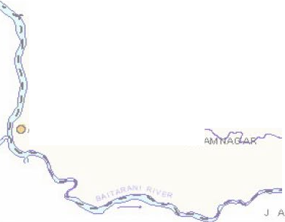 ,-,I NATIONAL HYDROGRAPH STATI ONS q.. J' - _,... ., . /. . Km5 0 10 Hi Km ' ,I -.,.::. '.,. SCALE ·: ,,, ':, 0 ,'<,, ., r B A L E s H w A R ,--.,,,,- ( s ._ r.,..., ... _ )' . " .....-..... I , KadaQ, ranga ... ., / I \ / .. -- ' ' I • , , : ... \ Ra ha n1a \ .., \ ., ' ' , l T A 'I BASU0 EV PUR \, ·\ >" J ... .,) Bagd9 vina y,,kpu r , , '<. . J,

&tADRAK DISTRICT ORISSA |  |  |  |  |  |  |  |  |  |  |  |  |  |  |  |  |  |  |  |  |  |  |  |  |  |  |  |  |  |  |  |  |  |  |  |  |  |  |  |  |  |  |  |  |  |  | Plate-IV
,. |  |  | 86" 1S |  |  |  |  | fB 30 |  |  |  |  |  |  |  |  |  |  |  |  |  |  |  |  |  |  |  |  |  |  |  | fS |  |  |  |  |  |  | 4S |  |  |  |  |  |  |  |  |  | -
,,.
 |  |  | "'1
 |  |  |  |  |  |  | HYDROGEOLOGY
Pi.ATE SAt.EGENJ)
L E G E N D HYDROGEO­ GEOLOGICAL 11ME UTl<lLOGICA.L DE SCRIPTION HYOROG EOLOOICAL CONDIT IONS LOGICAL U" 11l OCCUR R!:NCE OF GROUNDWATER AQ UIFER DISPOS ITIO N AND YIELD ECENT ALLW IUM, CLAY, SILT, PROSPECTS SAl'JJ, GRA.VEL ETC ON AN AVERAGE SHALLOW AQ U FERS EXlEND DOWN TO 8-12m 0LCE R AL W V\UM, CLA Y , SLT , ..-=---.7 GROUl'£l WAlE ROC CURS UNDER AND AVERAGE YIELD 40-SOm A:lay QUA.TER Rf SAf'.O, GRAVEL, MUDSTONI; l=-.!..=.I) ltJ C0NFINED C0NDIT I0 N SI N N EAR POTENTIAL DEEPER AOOIF ERS OCCL.R AND SHALE, UME S TOl'E ETC Sl..RFACE SHALLOWAQ UFERS /IND DONN TO 150-300m,REGIONA.L LY Lf'PER TERTAI RY Lt,JDE R SEM1-C ONFIN EO T O CO NFINED EXTENSIVE, AVERAGE CUMULATIVE D COt',OIT IONS IN CEEPERAQ UFERS. THICKNESS 30-60m, YIELD35 - 50 lps. LATER ITES, LATE RIT!C GR AVEL , • st-lALLON AQUIFERS GENE RALL Y EX TEl' O S CLAY, SAND , GRAVEL , SHALE , s LIME S TONE ET C. OOW
Plate-V
Ill' lt!!!i' IB'IJII' .. 1... ,• ,·.......,,..··,.. 21' WISE HYDROGEOLOGICAL .. 1:,.:......;,, ZI' 'ii ERISTICS OF DEEPER AQUIFERS. .... ...... 'ii .e.::::............. ..,,, .... -.. :---:--:, D s 10 151411 I .., .,. I " ,_r.-t-.:, 1 J :,·. - • SCALE -, I -::<< E H "•A' ...... ..J. , ,I / A.·. A R I j A- J : ' •..," ,•. "' . •. - I - -' l SE CT OR-4 J : !, :: f l 1 J ,,• , ' I.. \ C i i ,rrm1a.a -11 3t·. =.- . I \ l ASUD EVj UR :\ => )> ,' - - 7 >··: .t.. ...j / \ ·. -..--, .. I l<ul il u <"-: . I ._ /

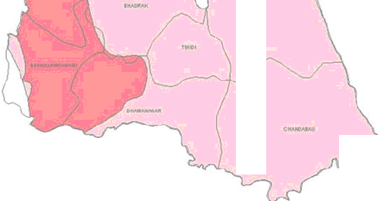
,-,J AREA CHARACT 1l-4.-­ ) - - .. , .., Kin 5 'l+ J o + ' I ..L ♦- .,, / g a rpa .J B A L y ._, l / I I ,- .... I I .I 1...,. 'r- -- \ '\ [ BANTA L.. l ,I ' I ... l ,J I l l SECTOR- 1 '\ I \ \ H D 10 I 8 ALII E A IU!A8 ii5'fciiii

 |  |  |  |  | :::

Plate-VI PRE-MONSOON DEPTH TO WATER LEVEL MAP OF BHAORAK DISTRICT (APRIL 2011) 1

 | V 10 |  |  |  |  |  |  |  |  |  |  |  |  |  |  |  |  |  |  |  |  |  |  |  |  |  |  |  |  |  |  |  |  |  |  |  |  |  |  |  |  |  |  |  |  |  |  |  |  |  |  |  |  |  |  |  | 21 15 2
 | LEGEND ( 2 10 S m o91 - D 510 IOmbol HillyAte• |  |  |  |  |  |  |  |  |  |  |  |  |  |  |  |  |  |  |  |  |  |  | 861_45 |  |  |  |  |  |  |  |  |  |  |  |  |  |  |  |  |  |  |  |  |  |  |  |  |  |  |  |  |  |  |  |  | 21
1
POST MONSOONDEPTH TO WATER LEVEL MAP OF BHADRAK DISTRICT (NOV• 2011) Plate-VII
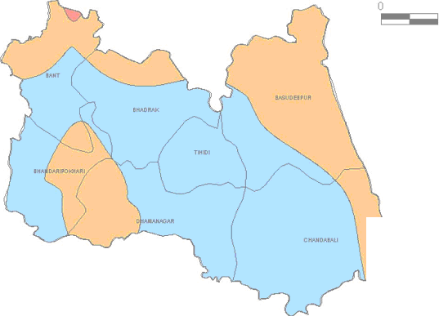
21 T 2 1 oi 2,

 |  | 10 kil ometres LEGEND
 |  | - Ot o 211'1b gl - 2 to 4m - 4 to Om bgl:
 |  | 861 15 86 1 30 |  |  |  |  |  |  |  |  |  |  |  |  |  |  |  |  |  |  |  |  |  |  |  |  |  |  |  |  |  |  |  |  |  | 8 614 5 |  |  |  |  |  |  |  |  |  |  |  |  |  |  |  |  |  |  | 87 10 0
1 '
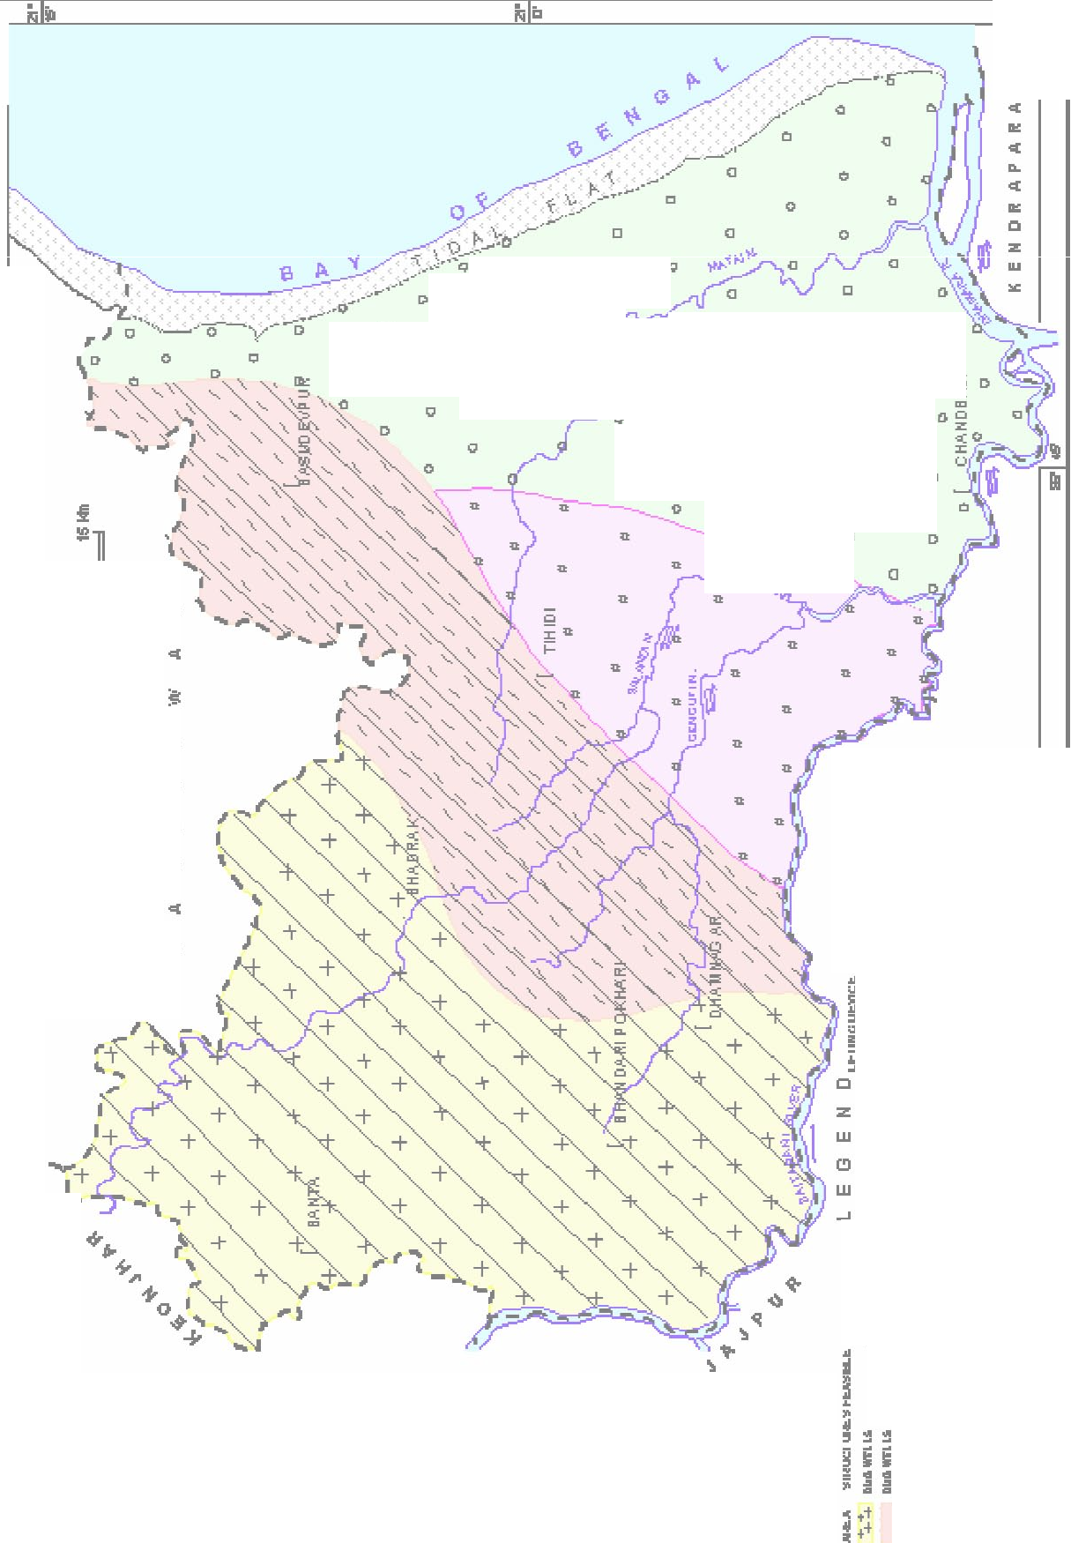
'- BHADRAK DISTRICT ) - ''\F\ ! ,,,\._ Dynamic Ground Water Resources I• "J /L<..... " --\ ,,,...., --- I (As on 31.03.2009) ) \I.. ._,. . / .,, a,_/ \ ) • - ' ' f ! \ /)7 a \\ BONTH(46.94%) \,, I_(. ,;\,,.,, (.-( BHADRAK(67.33%) 1:.. BASUDE VPU R 4( 4S5% ) \\ . \ / - r_ -------- }_ ( .[JI ',_ \.,_ \, ; . . _'._ _/ \ TIHIDl(41.6%) ) - -- \ ) • ! •• -,,_ I / BHANDARIP0KHARl(65.18%) --·,t······ ', 1_ '•,, DHAMNAGAR(57.5S%) , •/• I \ . ( \ '-·,
Dynamic Ground Water Resou rces(HaM) as on 31 .03.2009 -:1 -1 2,000 ■ Gr oss GroundWater Draft ■D Net Ground Water Availability AnnualRep!enishable GroundWater Resources |  |  |  |  |  |  |  |  |  |  |  |  |  |  |  |  | ,.,, (/ --· = --- 1 ..,--, (_,. ,,.--J
ru
II) w Ill -E 'I ...I CCI v; II) 0 C. z w :E C. 0 ...I >w w Q ci::: w Iii i: C Ill =z 0 cui,::: re |  |  |  |  |  |  |  |  |  |  |  |  |  |  |  |  |  |  | C 0 |  |  |  |  | 0 " |  |  | t, 0 0 • ti |  |  |  | D |  | a D " |  |  | Q |  |  | 0 0 ll |  |  |  |  |  |  | 0 0 □ [l i. 0 0 C Q 0 Q ; ; i!,g l! .!. ! .....i i. :,} i -IP-t -,. 2 e •:i1•:f •• R !Ii j; j; •• Ill .; .:. .. 0: .a. .. ..i ! i. :r :i: :r f .i!. .i!. .i!. f :;; :;;: :;;: i! ii .i!. .;. ii ii ii :"r ui ui uI •;I ! i z ,i "JI u .. .,i. i !" :I ..f. .f. .I. ..•.. :I II. .,;. II .i. I ! I Q " ..: .t I. .. ll 9! =.... ... ...... == ra II i! , i= : l i:., .i.!.. ill!!!I In
 |  |  |  |  |  |  |  |  |  |  |  |  |  |  | 0 |  |  |  |  |  |  | C |  |  |  |  |  |  |  |  | t, |  |  |  |  |  |  |  |  |  |  | "
 |  |  |  |  |  |  |  |  |  |  |  |  |  |  |  |  |  |  |  |  |  |  |  |  |  |  |  |  |  |  | C |  |  |  |  | D |  |  |  |  |  | <l
 |  |  |  |  |  |  |  |  |  |  |  |  |  |  |  |  |  |  |  |  |  |  |  |  |  |  |  |  |  |  |  |  |  |  |  | [l |  |  |  |  |  | Cl
 |  |  |  |  |  |  |  |  |  |  |  |  |  |  |  |  |  |  |  |  |  |  |  |  |  |  |  |  |  |  |  |  |  |  |  |  |  |  |  |  |  | D
 |  |  |  | 5! |  |  |  | II!
 |  |  |  |  |  |  |  | :c
 |  |  |  | Cl
 |  |  |  |  |  |  |  | Ill
 |  |  |  | "'
 |  |  |  |  |  |  |  | Ill
 |  |  |  | ..
>-; < CV Ill 0..

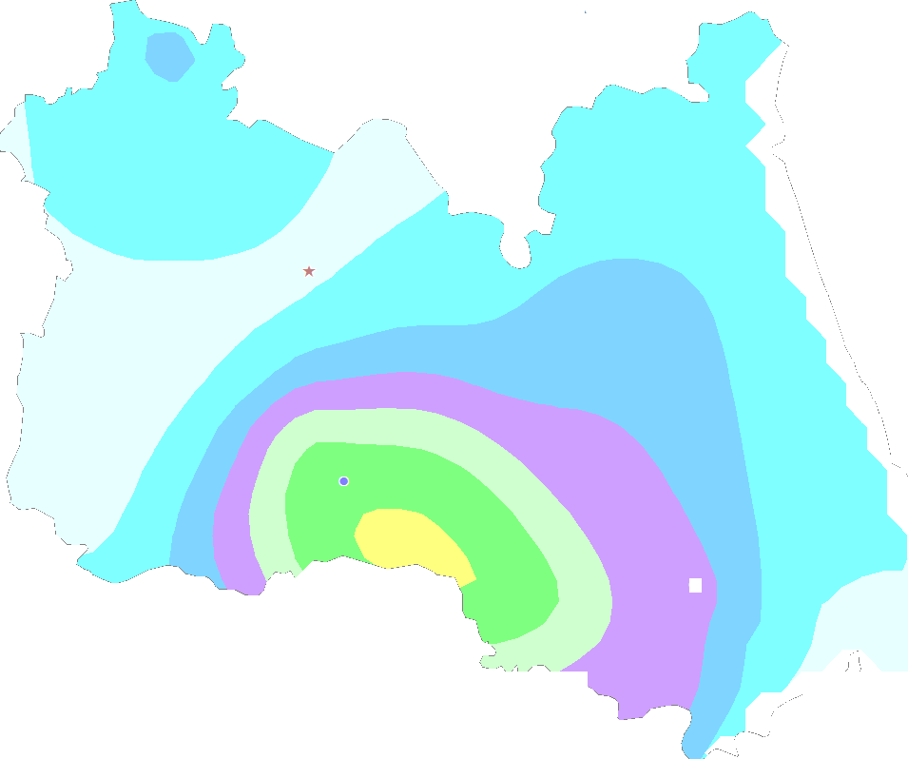 CHEMICAL QU ALI TY MAP OF BH ADRAK - 0. 0000 to 500.0000 - 500.0000 to 1000.0000 -. . ---. ,. · * Iron - 1000.0000 to 1500. 0000 Ii Nitrate - 1500.0000 to 2000.0000 Fluoride - 2000.0000 to 2500.0000 2500.0000 to 3000.0000 3000.0000 to 3500.0000

